99_Đọc DSach_sp_Tloai_Menu Trai
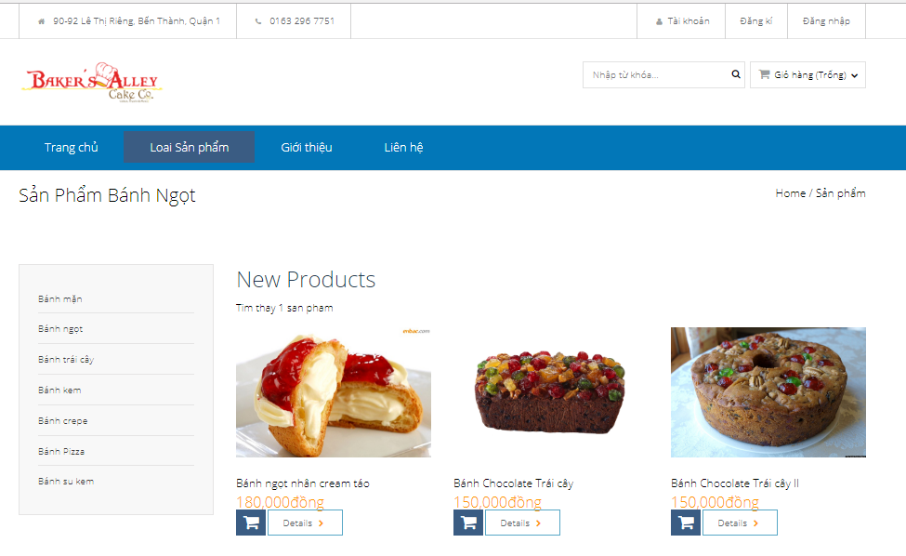
 |  | TAO MENU BEN TRAI HIEN THI DANH MUC SAN PHAM

 |  |  | https://www.youtube.com/watch?v=daPGbyIwVdQ&list=PLzrVYRai0riS_Y2L0Ox_gUL9UjPDL8p2i&index=11

 |  |  | Thuc hien lamMenu Ben trai : Chung ta cho hienthi anh sach loai san pham

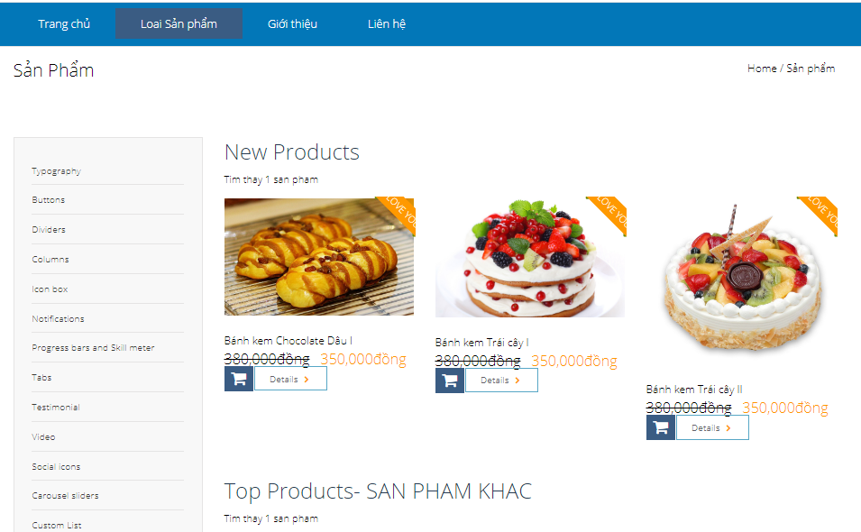

Nhan xet
 | Day laphan hien thi danh sach cac loai san pham co trong bangr Type_product

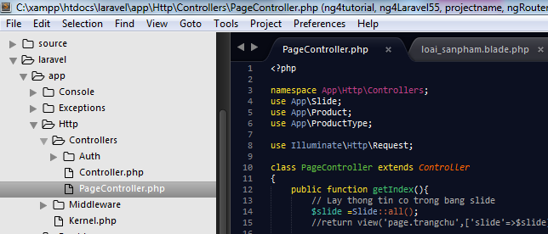
 | Chung ta lam tuong tu, chung ta thuc hien truy van de lay thong tin cua bang typerproduct o trong pagecpntroller

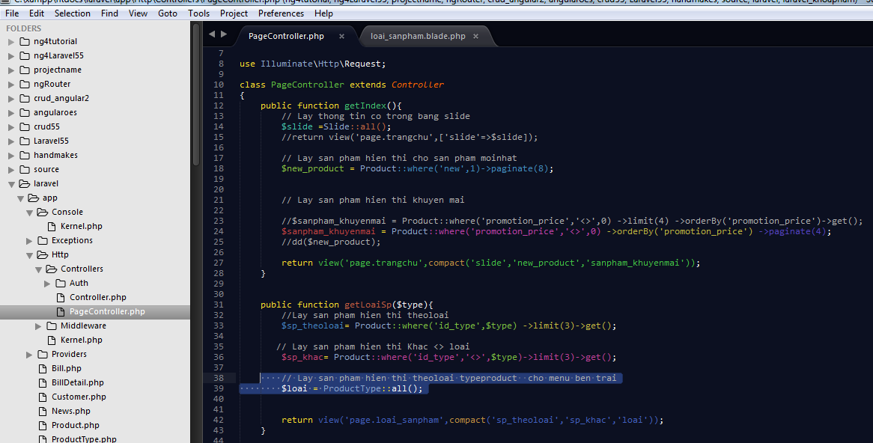

 |  |  |  |  |  |  |  |  |  | public function getLoaiSp($type){
 |  |  |  |  |  |  |  |  |  | //Lay san pham hien thi theoloai
 |  |  |  |  |  |  |  |  |  | $sp_theoloai= Product::where('id_type',$type) ->limit(3)->get();

 |  |  |  |  |  |  |  |  |  | // Lay san pham hien thi Khac <> loai
 |  |  |  |  |  |  |  |  |  | $sp_khac= Product::where('id_type','<>',$type)->limit(3)->get();

 |  |  |  |  |  |  |  |  |  | // Lay san pham hien thi theoloai typeproduct cho menu ben trai
 |  |  |  |  |  |  |  |  |  | $loai = ProductType::all();

 |  |  |  |  |  |  |  |  |  |  | return view('page.loai_sanpham',compact('sp_theoloai','sp_khac','loai'));
 |  |  |  |  |  |  |  |  |  | }

 |  | Chung ta tiep tuc mo file loai_sanpham.blade.php |  |  |  | thuc hien, xoa bot code html , sau do, thuc hien vong lap cho no

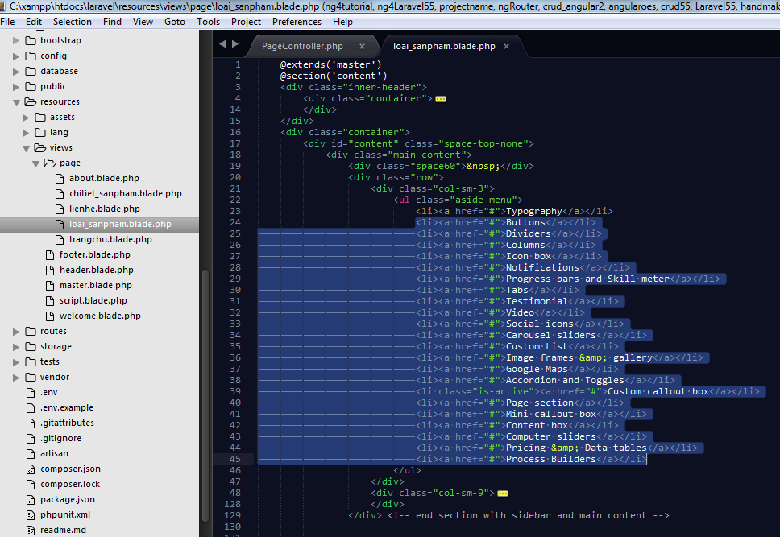

 |  |  |  |  |  |  |  | Xoa phan nay di

 | Dung vong lap foreach() cho no

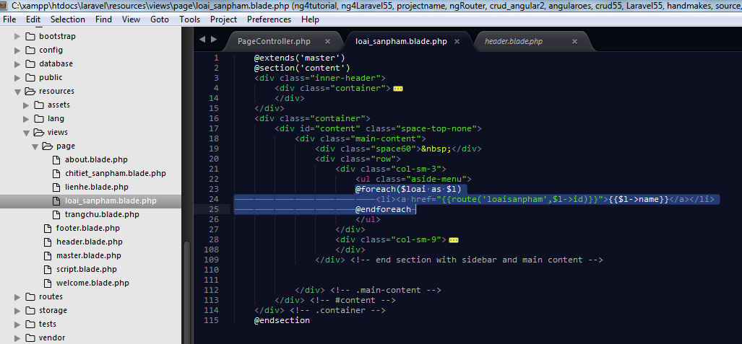

 |  |  |  |  |  |  |  | <div class="col-sm-3">
 |  |  |  |  |  |  |  |  |  |  |  |  | <ul class="aside-menu">
 |  |  |  |  |  |  |  |  |  |  |  |  | @foreach($loai as $l)
 |  |  |  |  |  |  |  |  |  |  |  |  |  | <li><a href="{{route('loaisanpham',$l->id)}}">{{$l->name}}</a></li>
 |  |  |  |  |  |  |  |  |  |  |  |  | @endforeach
 |  |  |  |  |  |  |  |  |  |  |  |  | </ul>
 |  |  |  |  |  |  |  |  |  |  |  | </div>

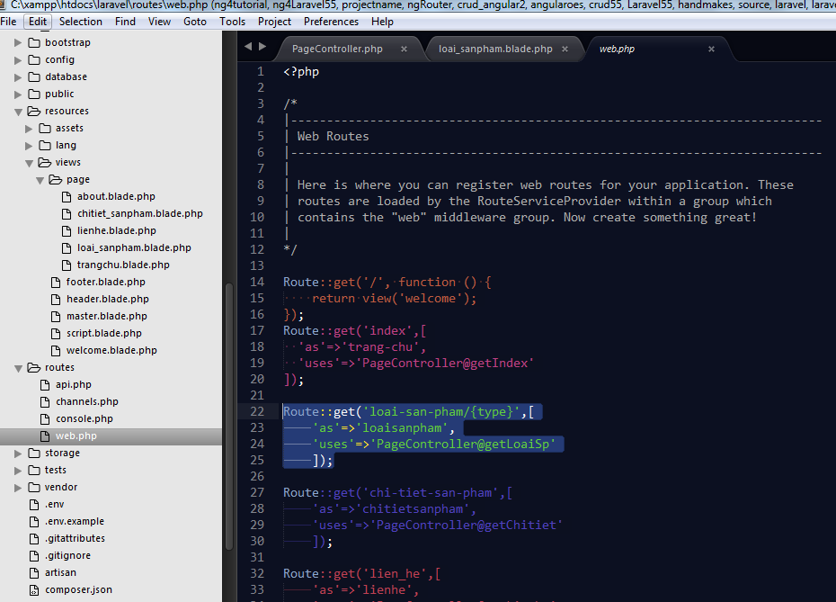

 | Chay thu |  | ok |  | http://localhost/laravel/public/loai-san-pham/1

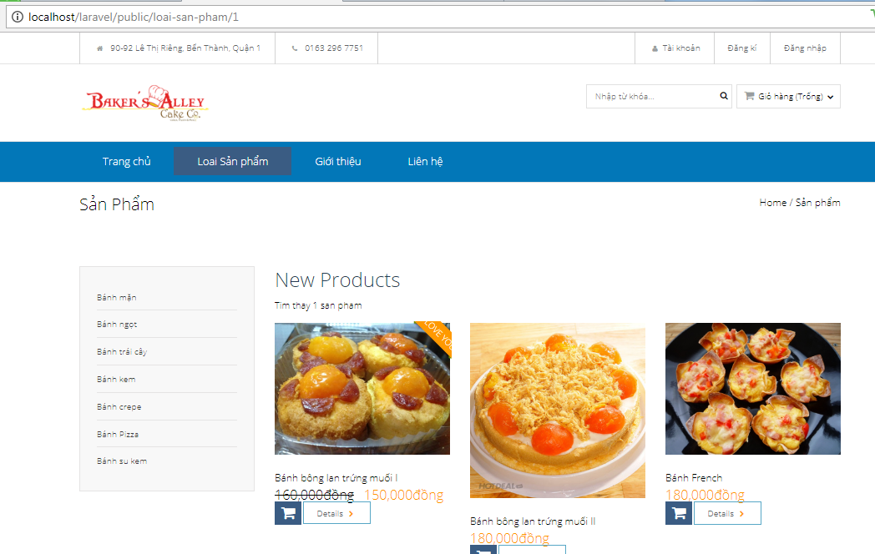

 |  | Bay gio,,chung ta muon hien thi rang, khi chung ta tro den loai san pham nao ($type) , thi no chochung ta hien thi ten cualoai do

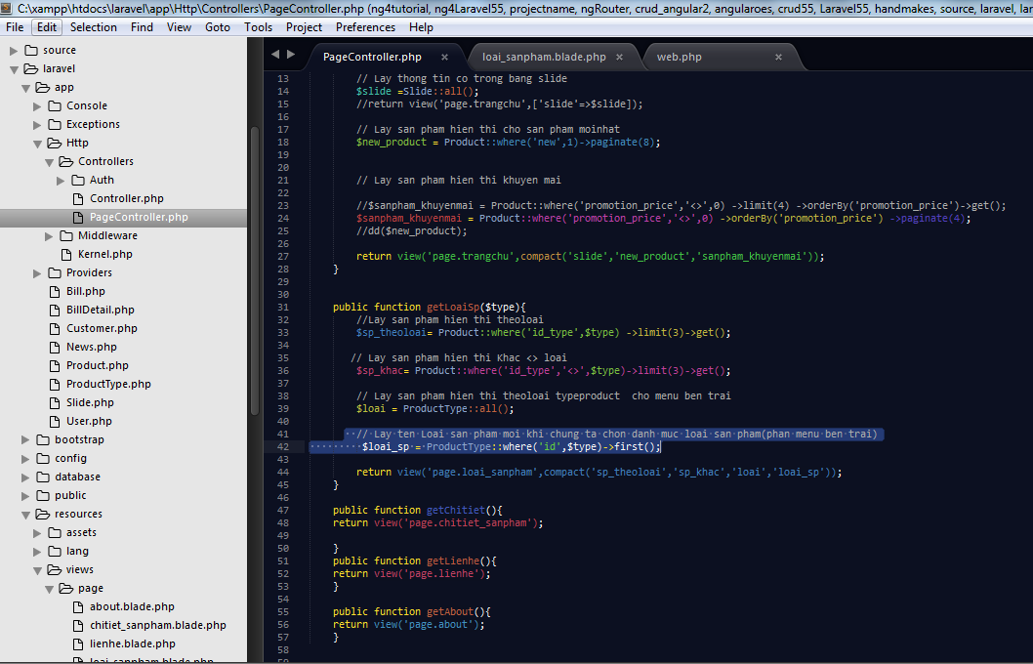

 |  |  |  |  |  |  |  | public function getLoaiSp($type){
 |  |  |  |  |  |  |  | //Lay san pham hien thi theoloai
 |  |  |  |  |  |  |  | $sp_theoloai= Product::where('id_type',$type) ->limit(3)->get();

 |  |  |  |  |  |  |  | // Lay san pham hien thi Khac <> loai
 |  |  |  |  |  |  |  | $sp_khac= Product::where('id_type','<>',$type)->limit(3)->get();

 |  |  |  |  |  |  |  | // Lay san pham hien thi theoloai typeproduct cho menu ben trai
 |  |  |  |  |  |  |  | $loai = ProductType::all();

 |  |  |  |  |  |  |  | // Lay ten Loai san pham moi khi chung ta chon danh muc loai san pham(phan menu ben trai)
 |  |  |  |  |  |  |  | $loai_sp = ProductType::where('id',$type)->first();

 |  |  |  |  |  |  |  |  | return view('page.loai_sanpham',compact('sp_theoloai','sp_khac','loai','loai_sp'));
 |  |  |  |  |  |  |  | }

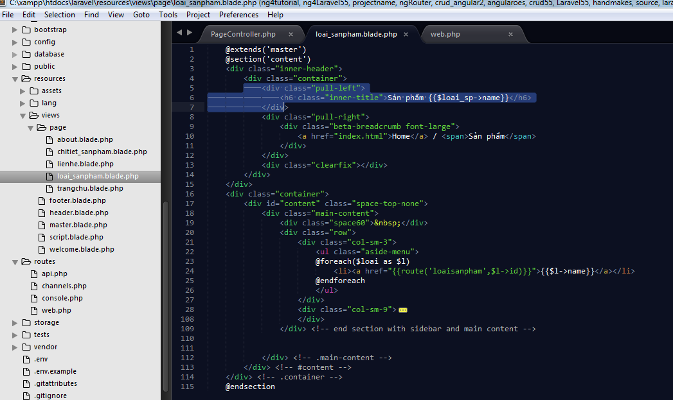

 |  |  |  |  |  |  | <div class="pull-left">
 |  |  |  |  |  |  |  |  |  |  | <h6 class="inner-title">Sản phẩm {{$loai_sp->name}}</h6>
 |  |  |  |  |  |  |  |  |  | </div>

Chay thu |  |  | Ok | http://localhost/laravel/public/loai-san-pham/2

